Sheet1
 |  | needed |  | spiruline |  |  |  | chlorella |  |  |  | mix |  | units | spiruline fermented
 |  | recommended | max | for 100g |  | for 87g |  | for 100g |  | for |  |  |  |  | for 100g |  | for 87g
quantité |  |  |  | 100 |  | 50 |  | 100 |  | 50 |  |  |  | g |  |  | 50
Calories |  | 2000 |  | 289.28571429 |  | 144.64285714 |  | 410.71428571 |  | 205.35714286 |  |  |  | kcal | 28 |  | 300
Protein |  | 50 |  | 57.142857143 |  | 28.57 |  | 57.142857143 |  | 28.571428571 |  |  |  |  | 5.74 |  | 28.57
carbs |  | 260 |  |  |  |  |  |  |  |  |  |  |  |  | 2.39
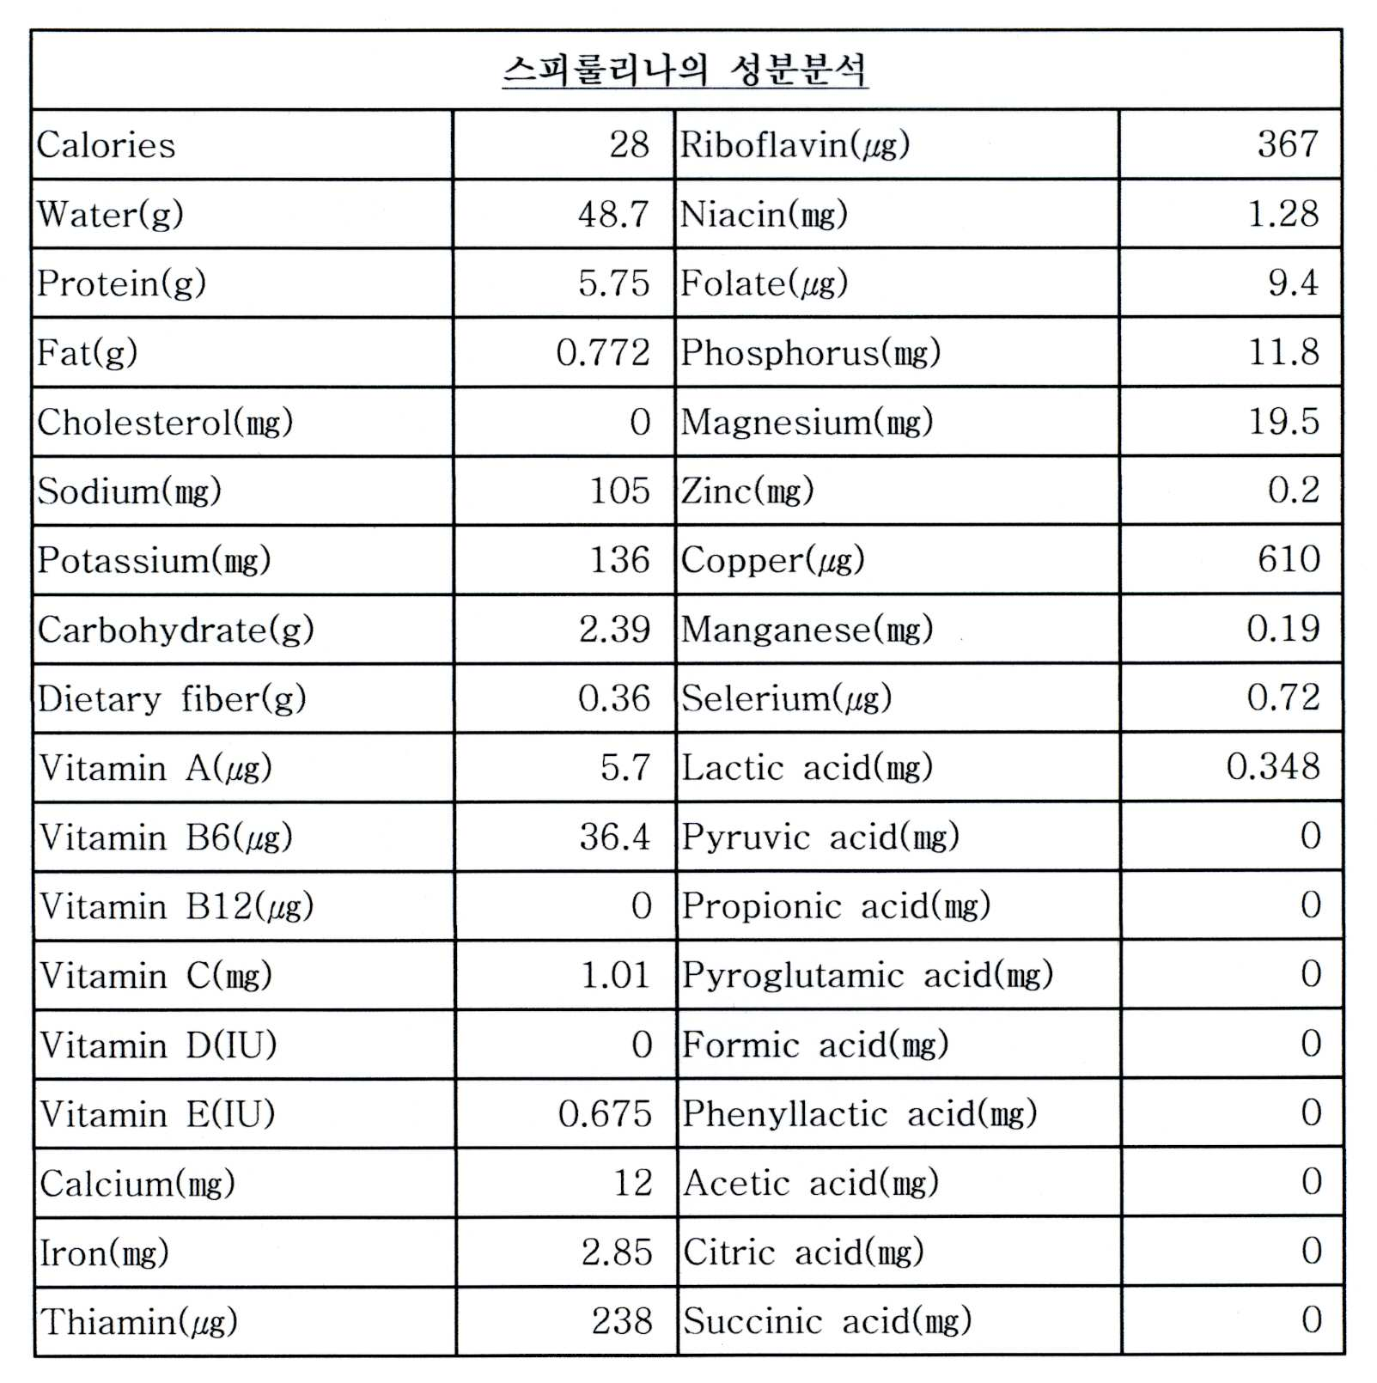
fat |  | 60 | 70 |  |  |  |  |  |  |  |  |  |  | g | 0.772

Vtamin A | retinol 0.3mcg/IU | 900 | 3000 | 342 | 38% | 171.00 | 19% | 97218.333333 | 10802% | 48609.166667 | 5401% | 48780.17 | 5420% | mcg | 5.7 | 0% | 61.07 | 7%
 | beta-carotene 0.6mcg/IU |  |  |  | #DIV/0! | 0.00 | #DIV/0! |  | #DIV/0! | 0 | #DIV/0! | 0.00 | #DIV/0! |  |  | #DIV/0! | 0.00 | #DIV/0!
 |  |  |  |  |  |  |  |  |  |  |  | 0.00 | #DIV/0! |  |  |  | 0.00
Vitamin B1 | Thiamine | 1.2 |  | 2.38 | 198% | 1.19 | 99% | 2 | 167% | 1 | 83% | 2.19 | 183% | mg | 0.238 | 20% | 2.55 | 213%
Vitamin B2 | Riboflavin | 1.3 |  | 3.67 | 282% | 1.84 | 141% | 4.533 | 349% | 2.2665 | 174% | 4.10 | 316% | mg | 0.367 | 28% | 3.93 | 302%
Vitamin B3 | Niacin, Niacinamide, Nicotinamide riboside | 16 |  | 12.82 | 80% | 6.41 | 40% | 26.667 | 167% | 13.3335 | 83% | 19.74 | 123% | mg | 1.28 | 8% | 13.71 | 86%
Vitamin B5 | Pantothenic acid | 5 |  | 3.48 | 70% | 1.74 | 35% |  | 0% | 0 | 0% | 1.74 | 35% | mg |  | 0% | 0.00 | 0%
Vitamin B6 | Pyridoxine, Pyridoxamine, Pyridoxal | 1.3 |  | 0.364 | 28% | 0.18 | 14% |  | 0% | 0 | 0% | 0.18 | 14% | mg | 0.0364 | 3% | 0.39 | 30%
Vitamin B7 | Biotin | 30 |  | 94 | 313% | 47.00 | 157% |  | 0% | 0 | 0% | 47.00 | 157% | mcg |  | 0% | 0.00 | 0%
Vitamin B9 | Folates, Folic acid | 400 | 1000 | 0 | 0% | 0.00 | 0% |  | 0% | 0 | 0% | 0.00 | 0% | mcg | 9.4 | 2% | 100.71 | 25%
Vitamin B12 | Cyanocobalamin, Hydroxocobalamin, Methylcobalamin, Adenosylcobalamin | 2.4 |  | 66 | 2750% | 33.00 | 1375% | 300 | 12500% | 150 | 6250% | 183.00 | 7625% | mcg | 0 | 0% | 0.00 | 0%
Vitamin C | Ascorbic acid | 90 |  | 10.1 | 11% | 5.05 | 6% | 20 | 22% | 10 | 11% | 15.05 | 17% | mg | 1.01 | 1% | 10.82 | 12%
Vitamin D | Cholecalciferol (D3), Ergocalciferol (D2) | 15 | 50 | 0 | 0% | 0.00 | 0% |  | 0% | 0 | 0% | 0.00 | 0% | mcg | 0 | 0% | 0.00 | 0%
Vitamin E | Tocopherols, Tocotrienols | 15 |  | 5 | 33% | 2.50 | 17% |  | 0% | 0 | 0% | 2.50 | 17% | mg | 0.675 | 5% | 7.23 | 48%
Vitamin K | Phylloquinone, Menaquinones | 120 |  | 25.5 | 21% | 12.75 | 11% |  | 0% | 0 | 0% | 12.75 | 11% | mcg |  | 0% | 0.00 | 0%
 |  |  |  |  |  |  |  |  |  |  |  |  |  |  |  |  | 0.00 | #DIV/0!
Potassium |  | 4.7 |  |  | 0% | 0.00 | 0% |  | 0% | 0 | 0% | 0.00 | 0% | g | 0.136 | #VALUE! | 1.46 | 31%
Chlorine |  | 2.3 |  |  | 0% | 0.00 | 0% |  | 0% | 0 | 0% | 0.00 | 0% | g |  | #VALUE! | 0.00 | 0%
Sodium |  | 2300 | 6000 |  | 0% | 0.00 | 0% | 0 | 0% | 0 | 0% | 0.00 | 0% | mg | 105 | #VALUE! | 1125.00 | 49%
Calcium |  | 1000 | 2500 |  | 0% | 0.00 | 0% | 333 | 33% | 166.5 | 17% | 166.50 | 17% | mg | 12 | #VALUE! | 128.57 | 13%
Phosphorus |  | 700 | 4000 |  | 0% | 0.00 | 0% |  | 0% | 0 | 0% | 0.00 | 0% | mg | 11.8 | #VALUE! | 126.43 | 18%
Magnesium |  | 420 |  |  | 0% | 0.00 | 0% |  | 0% | 0 | 0% | 0.00 | 0% | mg | 19.5 | #VALUE! | 208.93 | 50%
Fluoride |  | 4 | 10 |  | 0% | 0.00 | 0% | 267 | 6675% | 133.5 | 3338% | 133.50 | 3338% | mg |  | #VALUE! | 0.00 | 0%
Iron |  | 8 | 45 |  | 0% | 0.00 | 0% | 240 | 3000% | 120 | 1500% | 120.00 | 1500% | mg | 2.85 | #VALUE! | 30.54 | 382%
Zinc |  | 22 | 40 |  | 0% | 0.00 | 0% | 70 | 318% | 35 | 159% | 35.00 | 159% | mg | 0.3 | #VALUE! | 3.21 | 15%
Manganese |  | 2.3 | 11 |  | 0% | 0.00 | 0% |  | 0% | 0 | 0% | 0.00 | 0% | mg | 0.19 | #VALUE! | 2.04 | 89%
Copper |  | 900 | 10000 |  | 0% | 0.00 | 0% |  | 0% | 0 | 0% | 0.00 | 0% | mcg | 0.61 | #VALUE! | 6.54 | 1%
Iodine |  | 150 | 1100 |  | 0% | 0.00 | 0% |  | 0% | 0 | 0% | 0.00 | 0% | mcg |  | #VALUE! | 0.00 | 0%
Chromium |  | 35 |  |  | 0% | 0.00 | 0% |  | 0% | 0 | 0% | 0.00 | 0% | mcg |  | #VALUE! | 0.00 | 0%
Molybdenum |  | 45 | 2000 |  | 0% | 0.00 | 0% |  | 0% | 0 | 0% | 0.00 | 0% | mcg |  | #VALUE! | 0.00 | 0%
Selenium |  | 55 | 400 |  | 0% | 0.00 | 0% |  | 0% | 0 | 0% | 0.00 | 0% | mcg | 0.72 | #VALUE! | 7.71 | 14%
Essential Amino Acids |  | Required per 100 g of protein | Required for 50g daily | for 100gof prots |  | for indicated prots |  | for 100g of prots |  | for 50g of prots |  |  |  |  | for 100gof prots |  | for indicated prots | #VALUE!
Histidine |  | 1.8 | 0.9 | 1.888 | 210% | 0.54 | 60% | 3.3 | 367% | 0.94285714286 | 105% | 1.48 | 165% | g |  | #DIV/0! | 0.00 | 0%
Isoleucine** |  | 2.5 | 1.25 | 5.584 | 447% | 1.60 | 128% | 3.5 | 280% | 1 | 80% | 2.60 | 208% | g |  | #DIV/0! | 0.00 | 0%
Leucine** |  | 5.5 | 2.75 | 8.608 | 313% | 2.46 | 89% | 6.1 | 222% | 1.7428571429 | 63% | 4.20 | 153% | g |  | #DIV/0! | 0.00 | 0%
Lysine |  | 5.1 | 2.55 | 5.264 | 206% | 1.50 | 59% | 10.2 | 400% | 2.9142857143 | 114% | 4.42 | 173% | g |  | #DIV/0! | 0.00 | 0%
Meth + Cyst |  | 2.5 | 1.25 | 3.151 | 252% | 0.90 | 72% | 1.6 | 128% | 0.45714285714 | 37% | 1.36 | 109% | g |  | #DIV/0! | 0.00 | 0%
Phen + Tyr |  | 4.7 | 2.35 | 9.328 | 397% | 2.67 | 113% | 5.6 | 238% | 1.6 | 68% | 4.27 | 181% | g |  | #DIV/0! | 0.00 | 0%
Threonine |  | 2.7 | 1.35 | 5.168 | 383% | 1.48 | 109% | 2.9 | 215% | 0.82857142857 | 61% | 2.31 | 171% | g |  | #DIV/0! | 0.00 | 0%
Tryptophan |  | 0.7 | 0.35 | 1.616 | 462% | 0.46 | 132% | 2.1 | 600% | 0.6 | 171% | 1.06 | 303% | g |  | #DIV/0! | 0.00 | 0%
Valine** |  | 3.2 | 1.6 | 6.111 | 382% | 1.75 | 109% | 5.5 | 344% | 1.5714285714 | 98% | 3.32 | 207% | g |  | #DIV/0! | 0.00 | 0%

 |  |  |  | Minerals | Quantity%DV† |  |  |  |  |  |  |  |  |  | Minerals | Quantity%DV†
 |  |  |  | Calcium | 120 mg |  |  | 12% |  |  |  |  |  |  | Calcium | 120 mg
 |  |  |  | Iron | 28.5 mg |  |  | 219% |  |  |  |  |  |  | Iron | 28.5 mg
 |  |  |  | Magnesium | 195 mg |  |  | 55% |  |  |  |  |  |  | Magnesium | 195 mg
 |  |  |  | Manganese | 1.9 mg |  |  | 90% |  |  |  |  |  |  | Manganese | 1.9 mg
 |  |  |  | Phosphorus | 118 mg |  |  | 17% |  |  |  |  |  |  | Phosphorus | 118 mg
 |  |  |  | Potassium | 1363 mg |  |  | 29% |  |  |  |  |  |  | Potassium | 1363 mg
 |  |  |  | Sodium | 1048 mg |  |  | 70% |  |  |  |  |  |  | Sodium | 1048 mg
 |  |  |  | Zinc | 2 mg |  |  | 21% |  |  |  |  |  |  | Zinc | 2 mg

 |  |  |  | Other constituents | Quantity |  |  |  |  |  |  |  |  |  | Other constituents | Quantity
 |  |  |  | Water | 4.68 g |  |  |  |  |  |  |  |  |  | Water | 4.68 g

